Figures
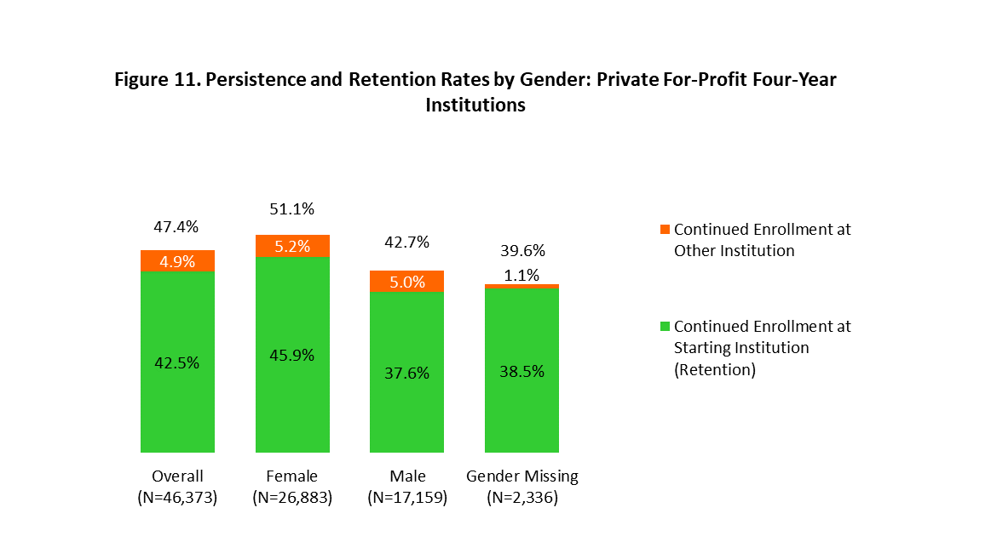
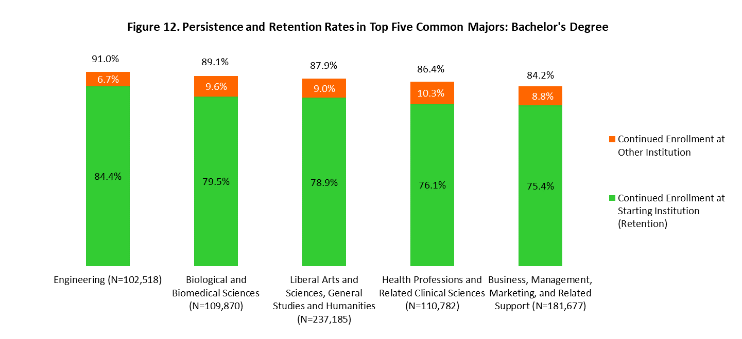
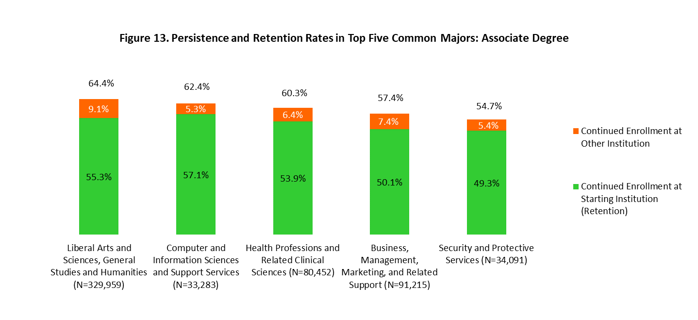
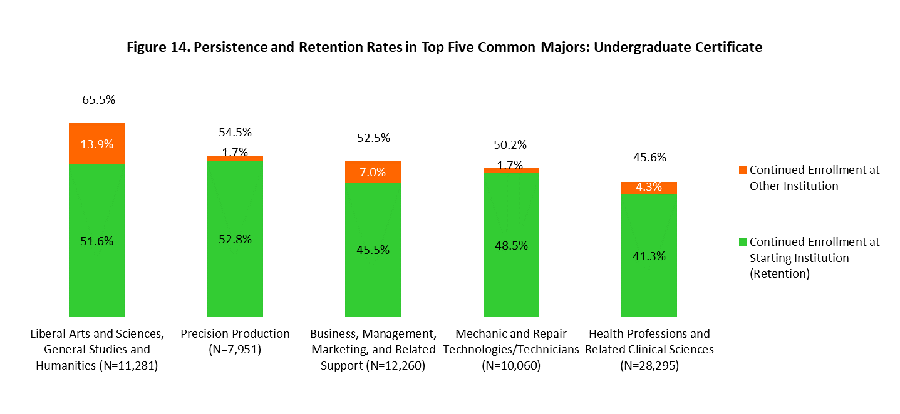
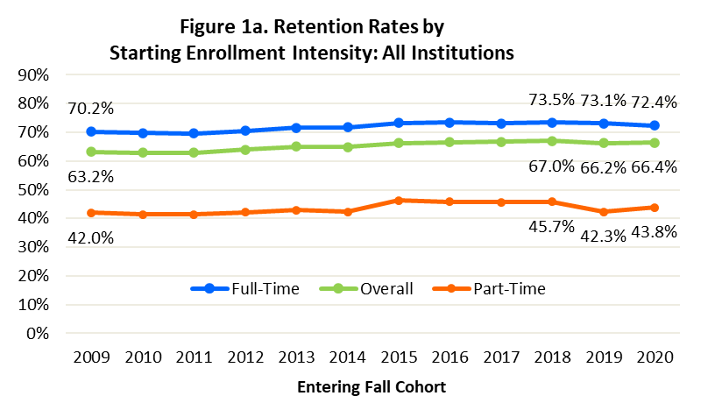
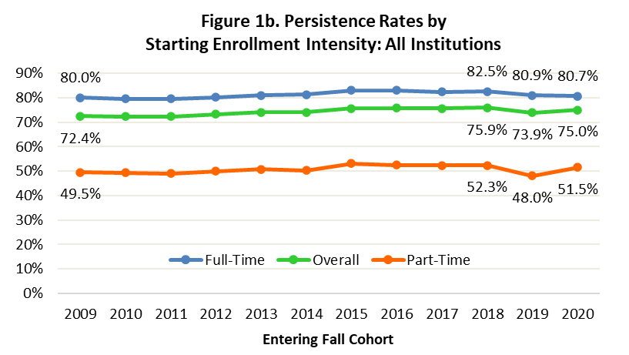

Beginning Enrollment Intensity |  | Fall 2009 Entering Cohort | Fall 2010 Entering Cohort | Fall 2011 Entering Cohort | Fall 2012 Entering Cohort | Fall 2013 Entering Cohort | Fall 2014 Entering Cohort | Fall 2015 Entering Cohort | Fall 2016 Entering Cohort | Fall 2017 Entering Cohort | Fall 2018 Entering Cohort | Fall 2019 Entering Cohort | Fall 2020 Entering Cohort
Overall | Retention Rate | 63.2% | 62.9% | 62.9% | 63.9% | 65.0% | 64.9% | 66.3% | 66.5% | 66.7% | 67.0% | 66.2% | 66.4%
 | Persistence Rate | 72.4% | 72.3% | 72.3% | 73.2% | 74.1% | 74.1% | 75.6% | 75.8% | 75.6% | 75.9% | 73.9% | 75.0%
Full-Time | Retention Rate | 70.2% | 69.7% | 69.6% | 70.5% | 71.5% | 71.7% | 73.3% | 73.4% | 73.2% | 73.5% | 73.1% | 72.4%
 | Persistence Rate | 80.0% | 79.6% | 79.5% | 80.2% | 81.0% | 81.3% | 83.0% | 83.0% | 82.4% | 82.5% | 80.9% | 80.7%
Part-Time | Retention Rate | 42.0% | 41.4% | 41.3% | 42.1% | 42.9% | 42.3% | 46.2% | 45.7% | 45.7% | 45.7% | 42.3% | 43.8%
 | Persistence Rate | 49.5% | 49.3% | 49.1% | 50.0% | 50.8% | 50.2% | 53.1% | 52.6% | 52.3% | 52.3% | 48.0% | 51.5%
Non-Credential | Retention Rate | Unavailable Reliable non-credential enrollment data became available in 2015. From 2015 onwards, these students are reported in a separate category and are not part of Full-Time or Part-Time counts, although they are included in the Overall. |  |  |  |  |  | 47.0% | 48.5% | 49.4% | 47.5% | 46.0% | 49.9%
 | Persistence Rate |  |  |  |  |  |  | 58.3% | 59.8% | 61.5% | 61.0% | 58.0% | 63.1%
Program Unknown | Retention Rate | Unavailable Reliable program unknown enrollment data became available in 2015. From 2015 onwards, these students are reported in a separate category and are not part of Full-Time or Part-Time counts, although they are included in the Overall. |  |  |  |  |  | 37.2% | 32.6% | 31.4% | 30.5% | 28.9% | 32.7%
 | Persistence Rate |  |  |  |  |  |  | 49.2% | 46.3% | 45.1% | 45.8% | 42.3% | 52.0%
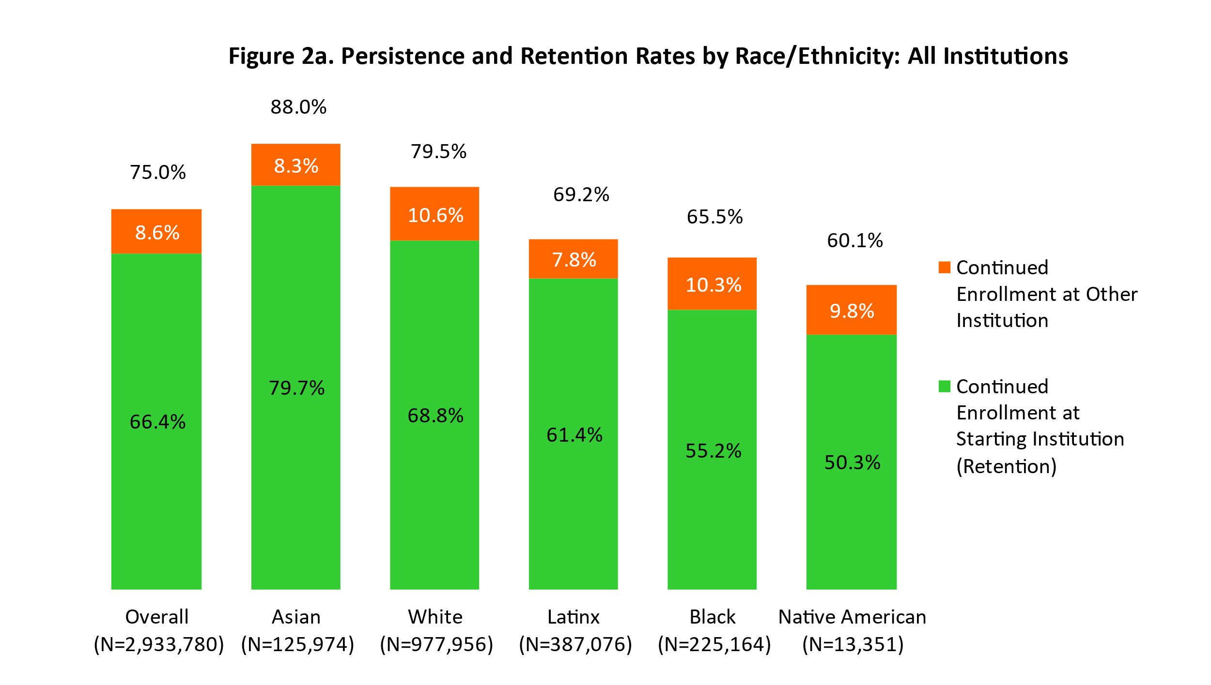
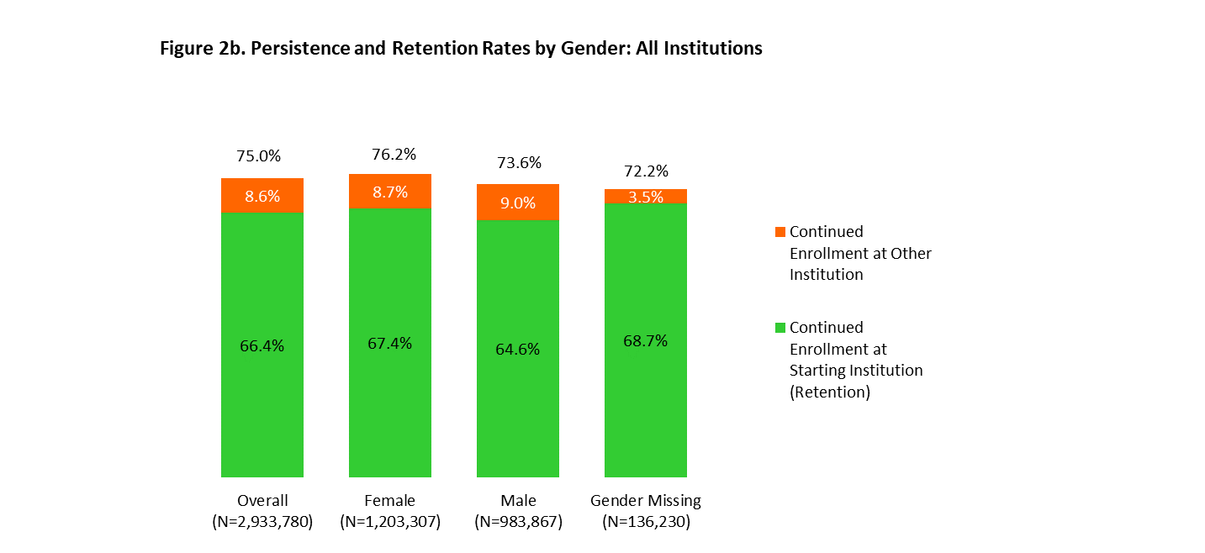

NOTE: With the exception of private for-profit four-year institutions, race/ethnicity data were reported, on average, for 83 percent of the students in the fall 2020 entering cohort. Data for the Private For-Profit Four-Year sector is not shown due to a higher missing rate. |  |  |  |  |  |  |  |  | NOTE: On average, gender data were reported for 95 percent of the students in the fall 2020 entering cohort.
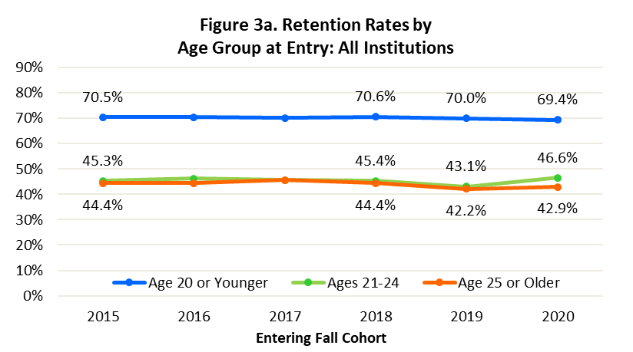
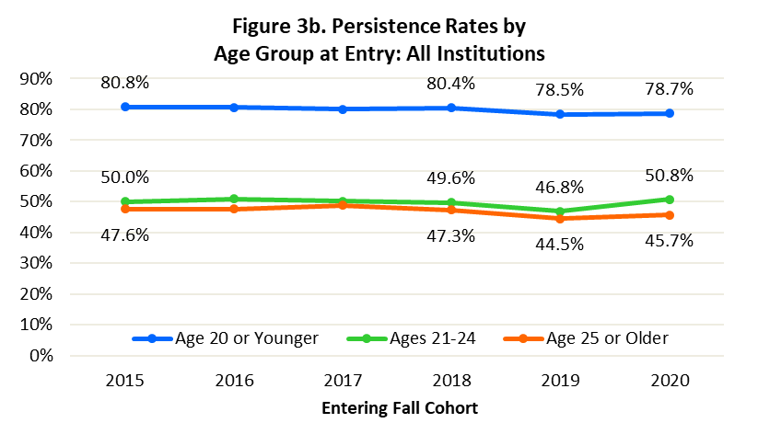

Age at College Entry |  | Fall 2009 Entering Cohort | Fall 2010 Entering Cohort | Fall 2011 Entering Cohort | Fall 2012 Entering Cohort | Fall 2013 Entering Cohort | Fall 2014 Entering Cohort | Fall 2015 Entering Cohort | Fall 2016 Entering Cohort | Fall 2017 Entering Cohort | Fall 2018 Entering Cohort | Fall 2019 Entering Cohort | Fall 2020 Entering Cohort
Age 20 or Younger | Retention Rate | Unavailable Reliable credential-level information became available in 2015. From 2015 onwards, students with identified graduate enrollments were removed, and dataset only accounts for undergraduate students. Therefore, information from Fall 2009 to Fall 2014 is not directly comparable to subsequent cohorts, and is not shown. |  |  |  |  |  | 70.5% | 70.4% | 70.2% | 70.6% | 70.0% | 69.4%
 | Persistence Rate |  |  |  |  |  |  | 80.8% | 80.7% | 80.1% | 80.4% | 78.5% | 78.7%
Ages 21-24 | Retention Rate |  |  |  |  |  |  | 45.3% | 46.2% | 45.6% | 45.4% | 43.1% | 46.6%
 | Persistence Rate |  |  |  |  |  |  | 50.0% | 50.9% | 50.2% | 49.6% | 46.8% | 50.8%
Age 25 or Older | Retention Rate |  |  |  |  |  |  | 44.4% | 44.4% | 45.7% | 44.4% | 42.2% | 42.9%
 | Persistence Rate |  |  |  |  |  |  | 47.6% | 47.6% | 48.8% | 47.3% | 44.5% | 45.7%

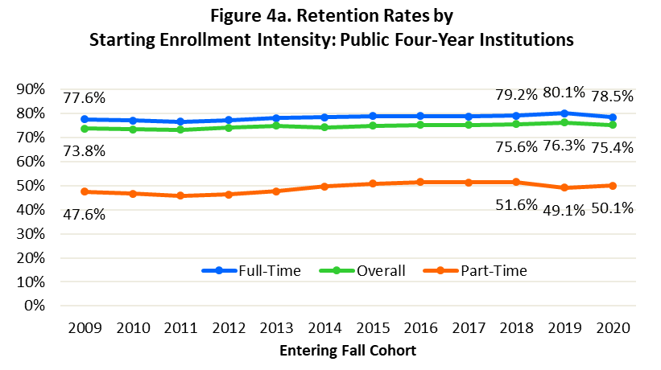
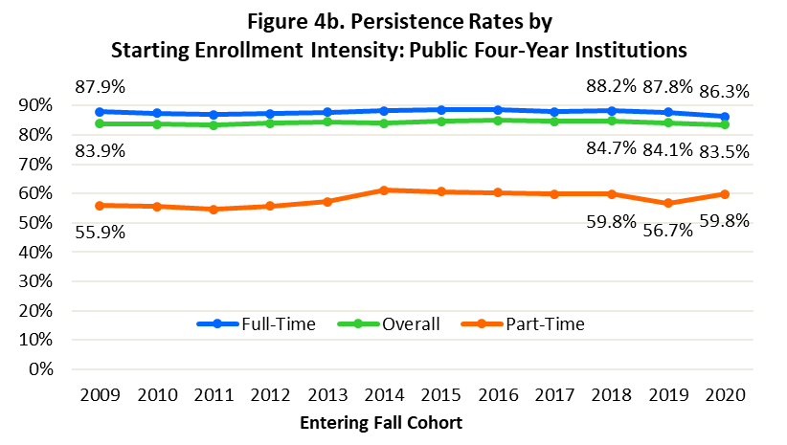

Beginning Enrollment Intensity |  | Fall 2009 Entering Cohort | Fall 2010 Entering Cohort | Fall 2011 Entering Cohort | Fall 2012 Entering Cohort | Fall 2013 Entering Cohort | Fall 2014 Entering Cohort | Fall 2015 Entering Cohort | Fall 2016 Entering Cohort | Fall 2017 Entering Cohort | Fall 2018 Entering Cohort | Fall 2019 Entering Cohort | Fall 2020 Entering Cohort
Overall | Retention Rate | 73.8% | 73.5% | 73.3% | 74.1% | 75.0% | 74.2% | 75.0% | 75.3% | 75.3% | 75.6% | 76.3% | 75.4%
 | Persistence Rate | 83.9% | 83.6% | 83.3% | 84.0% | 84.5% | 84.0% | 84.6% | 84.9% | 84.6% | 84.7% | 84.1% | 83.5%
Full-Time | Retention Rate | 77.6% | 77.1% | 76.6% | 77.4% | 78.2% | 78.4% | 78.9% | 79.0% | 78.7% | 79.2% | 80.1% | 78.5%
 | Persistence Rate | 87.9% | 87.3% | 86.9% | 87.3% | 87.7% | 88.2% | 88.6% | 88.6% | 88.0% | 88.2% | 87.8% | 86.3%
Part-Time | Retention Rate | 47.6% | 46.7% | 45.9% | 46.3% | 47.7% | 49.8% | 50.9% | 51.5% | 51.3% | 51.6% | 49.1% | 50.1%
 | Persistence Rate | 55.9% | 55.6% | 54.5% | 55.8% | 57.2% | 61.1% | 60.6% | 60.3% | 59.8% | 59.8% | 56.7% | 59.8%
Non-Credential | Retention Rate | Unavailable Reliable non-credential enrollment data became available in 2015. From 2015 onwards, these students are reported in a separate category and are not part of Full-Time or Part-Time counts, although they are included in the Overall. |  |  |  |  |  | 55.4% | 57.3% | 57.7% | 57.3% | 55.3% | 61.8%
 | Persistence Rate |  |  |  |  |  |  | 65.4% | 67.9% | 67.6% | 67.9% | 63.9% | 73.0%
Program Unknown | Retention Rate | Unavailable Reliable program unknown enrollment data became available in 2015. From 2015 onwards, these students are reported in a separate category and are not part of Full-Time or Part-Time counts, although they are included in the Overall. |  |  |  |  |  | 40.8% | 31.3% | 32.2% | 30.5% | 31.2% | 38.5%
 | Persistence Rate |  |  |  |  |  |  | 49.8% | 44.0% | 43.8% | 43.1% | 42.6% | 56.3%
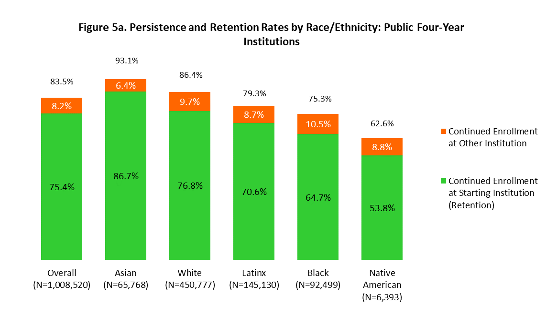
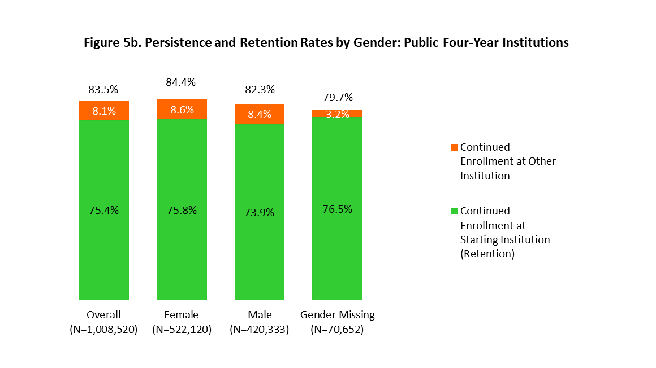

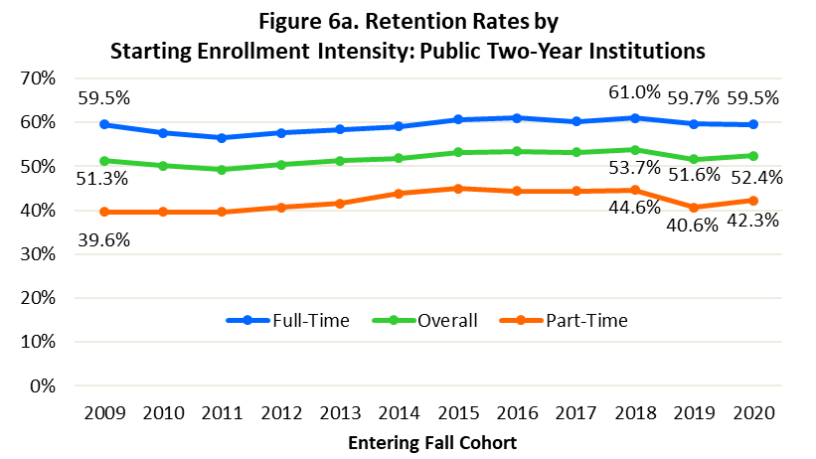
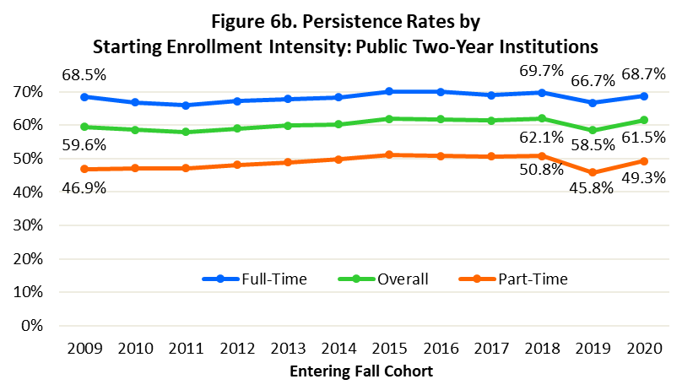

Beginning Enrollment Intensity |  | Fall 2009 Entering Cohort | Fall 2010 Entering Cohort | Fall 2011 Entering Cohort | Fall 2012 Entering Cohort | Fall 2013 Entering Cohort | Fall 2014 Entering Cohort | Fall 2015 Entering Cohort | Fall 2016 Entering Cohort | Fall 2017 Entering Cohort | Fall 2018 Entering Cohort | Fall 2019 Entering Cohort | Fall 2020 Entering Cohort
Overall | Retention Rate | 51.3% | 50.2% | 49.3% | 50.4% | 51.3% | 51.9% | 53.2% | 53.4% | 53.2% | 53.7% | 51.6% | 52.4%
 | Persistence Rate | 59.6% | 58.7% | 57.9% | 59.0% | 59.9% | 60.2% | 61.9% | 61.8% | 61.4% | 62.1% | 58.5% | 61.5%
Full-Time | Retention Rate | 59.5% | 57.7% | 56.5% | 57.7% | 58.4% | 59.1% | 60.7% | 61.0% | 60.2% | 61.0% | 59.7% | 59.5%
 | Persistence Rate | 68.5% | 66.9% | 66.0% | 67.2% | 67.8% | 68.3% | 70.1% | 70.0% | 69.0% | 69.7% | 66.7% | 68.7%
Part-Time | Retention Rate | 39.6% | 39.6% | 39.6% | 40.7% | 41.6% | 43.8% | 45.0% | 44.4% | 44.4% | 44.6% | 40.6% | 42.3%
 | Persistence Rate | 46.9% | 47.1% | 47.1% | 48.1% | 48.9% | 49.8% | 51.2% | 50.7% | 50.6% | 50.8% | 45.8% | 49.3%
Non-Credential | Retention Rate | Unavailable Reliable non-credential enrollment data became available in 2015. From 2015 onwards, these students are reported in a separate category and are not part of Full-Time or Part-Time counts, although they are included in the Overall. |  |  |  |  |  | 43.8% | 45.1% | 43.8% | 38.6% | 35.4% | 39.0%
 | Persistence Rate |  |  |  |  |  |  | 55.3% | 56.7% | 57.5% | 54.7% | 51.3% | 54.1%
Program Unknown | Retention Rate | Unavailable Reliable program unknown enrollment data became available in 2015. From 2015 onwards, these students are reported in a separate category and are not part of Full-Time or Part-Time counts, although they are included in the Overall. |  |  |  |  |  | 36.3% | 33.4% | 31.6% | 31.4% | 26.9% | 28.4%
 | Persistence Rate |  |  |  |  |  |  | 50.3% | 47.5% | 46.6% | 49.0% | 42.0% | 49.5%
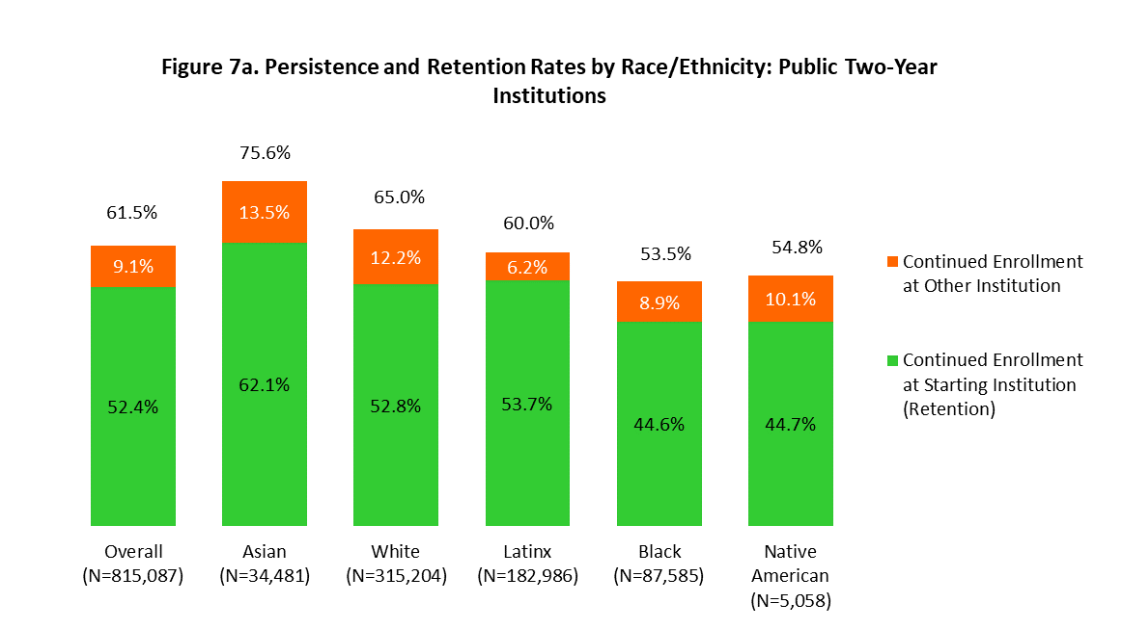
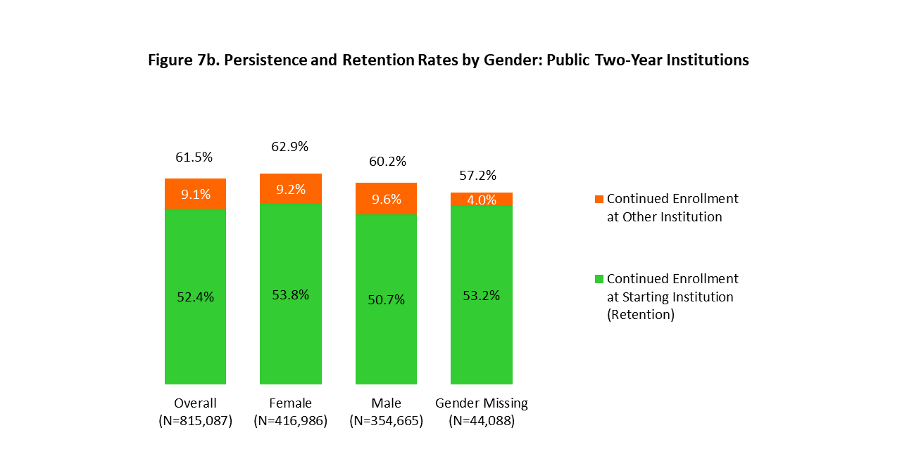

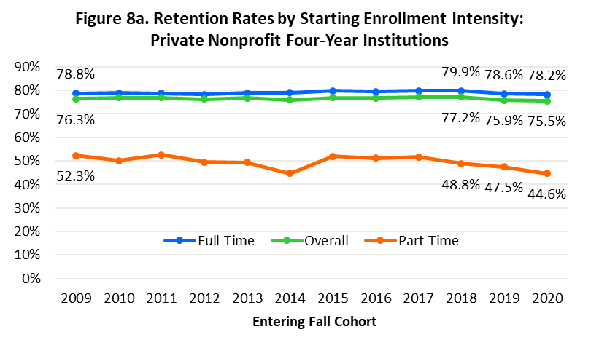
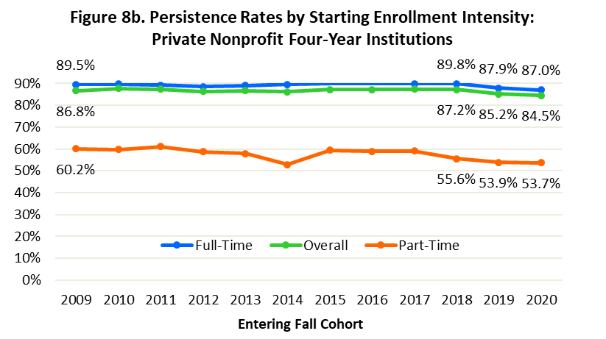

Beginning Enrollment Intensity |  | Fall 2009 Entering Cohort | Fall 2010 Entering Cohort | Fall 2011 Entering Cohort | Fall 2012 Entering Cohort | Fall 2013 Entering Cohort | Fall 2014 Entering Cohort | Fall 2015 Entering Cohort | Fall 2016 Entering Cohort | Fall 2017 Entering Cohort | Fall 2018 Entering Cohort | Fall 2019 Entering Cohort | Fall 2020 Entering Cohort
Overall | Retention Rate | 76.3% | 76.8% | 76.9% | 76.2% | 76.7% | 76.0% | 76.9% | 76.7% | 77.2% | 77.2% | 75.9% | 75.5%
 | Persistence Rate | 86.8% | 87.6% | 87.3% | 86.3% | 86.7% | 86.2% | 87.2% | 87.3% | 87.4% | 87.2% | 85.2% | 84.5%
Full-Time | Retention Rate | 78.8% | 78.8% | 78.8% | 78.3% | 78.9% | 79.0% | 79.8% | 79.5% | 79.8% | 79.9% | 78.6% | 78.2%
 | Persistence Rate | 89.5% | 89.7% | 89.3% | 88.5% | 89.0% | 89.5% | 90.0% | 90.1% | 89.9% | 89.8% | 87.9% | 87.0%
Part-Time | Retention Rate | 52.3% | 50.1% | 52.5% | 49.5% | 49.3% | 44.8% | 52.0% | 51.2% | 51.7% | 48.8% | 47.5% | 44.6%
 | Persistence Rate | 60.2% | 59.7% | 61.0% | 58.7% | 58.0% | 52.9% | 59.4% | 58.9% | 59.1% | 55.6% | 53.9% | 53.7%
Non-Credential | Retention Rate | Unavailable Reliable non-credential enrollment data became available in 2015. From 2015 onwards, these students are reported in a separate category and are not part of Full-Time or Part-Time counts, although they are included in the Overall. |  |  |  |  |  | 38.2% | 41.4% | 47.3% | 48.7% | 46.8% | 57.0%
 | Persistence Rate |  |  |  |  |  |  | 51.7% | 53.5% | 59.7% | 61.7% | 58.4% | 68.8%
Program Unknown | Retention Rate | Unavailable Reliable program unknown enrollment data became available in 2015. From 2015 onwards, these students are reported in a separate category and are not part of Full-Time or Part-Time counts, although they are included in the Overall. |  |  |  |  |  | 29.8% | 33.8% | 29.8% | 28.6% | 30.7% | 36.2%
 | Persistence Rate |  |  |  |  |  |  | 42.0% | 48.9% | 43.6% | 42.5% | 43.8% | 53.8%
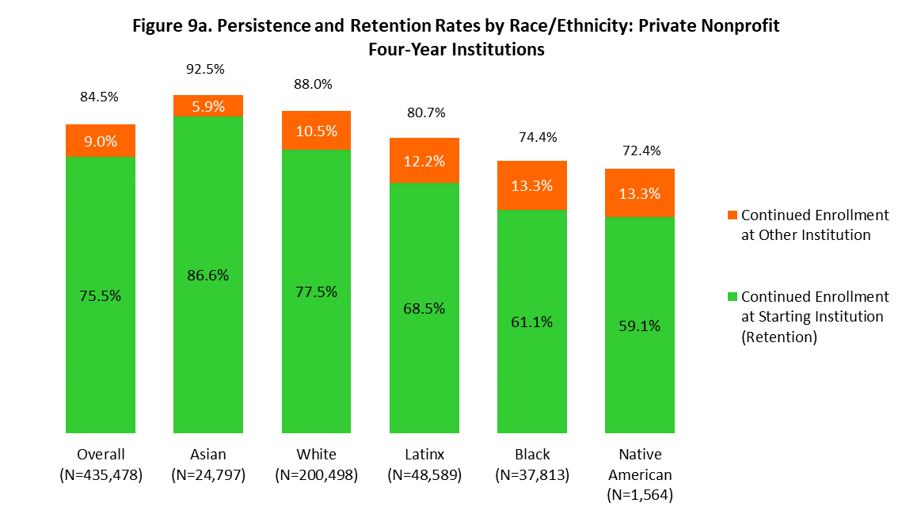
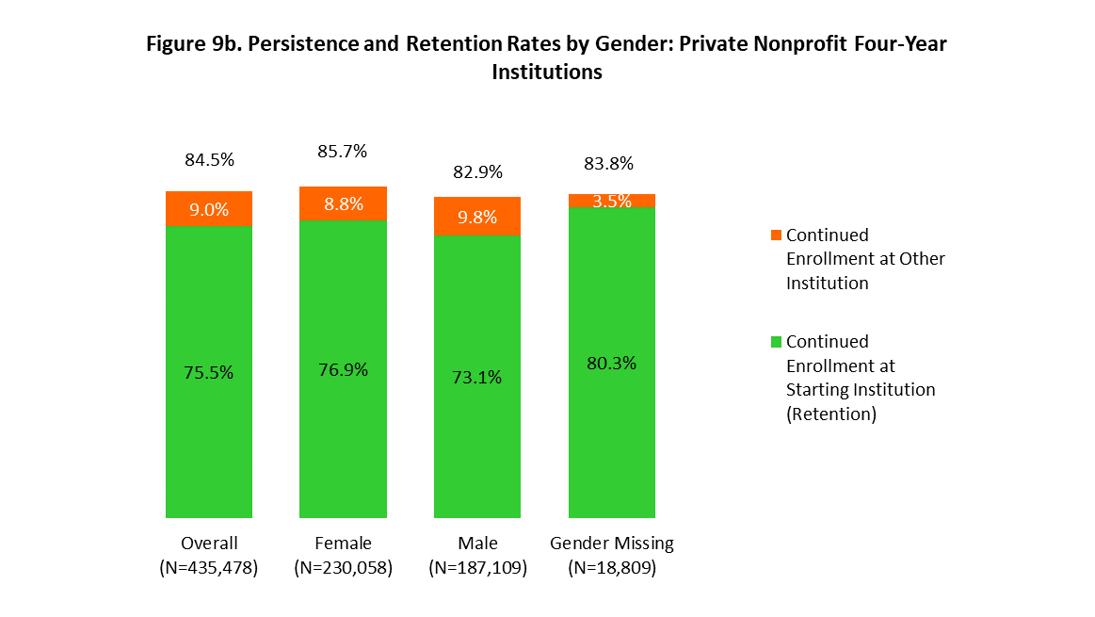

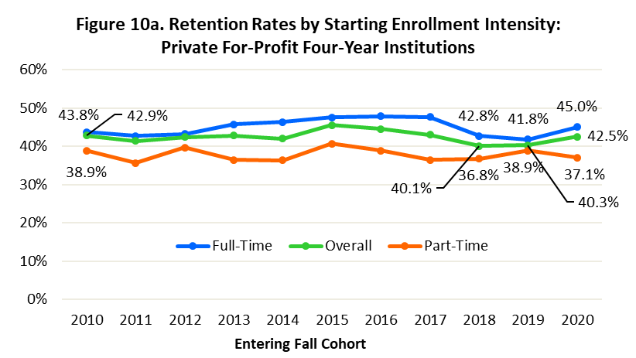
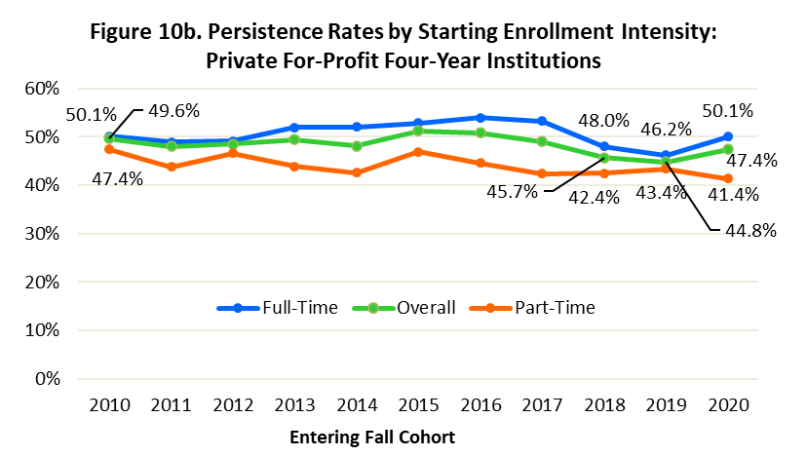

Beginning Enrollment Intensity |  | Fall 2010 Entering Cohort | Fall 2011 Entering Cohort | Fall 2012 Entering Cohort | Fall 2013 Entering Cohort | Fall 2014 Entering Cohort | Fall 2015 Entering Cohort | Fall 2016 Entering Cohort | Fall 2017 Entering Cohort | Fall 2018 Entering Cohort | Fall 2019 Entering Cohort | Fall 2020 Entering Cohort
Overall | Retention Rate | 42.9% | 41.4% | 42.4% | 42.8% | 42.0% | 45.6% | 44.5% | 43.0% | 40.1% | 40.3% | 42.5%
 | Persistence Rate | 49.6% | 48.0% | 48.6% | 49.4% | 48.1% | 51.3% | 50.8% | 49.0% | 45.7% | 44.8% | 47.4%
Full-Time | Retention Rate | 43.8% | 42.7% | 43.2% | 45.7% | 46.3% | 47.6% | 47.8% | 47.7% | 42.8% | 41.8% | 45.0%
 | Persistence Rate | 50.1% | 48.9% | 49.1% | 51.9% | 52.0% | 52.9% | 53.9% | 53.2% | 48.0% | 46.2% | 50.1%
Part-Time | Retention Rate | 38.9% | 35.6% | 39.7% | 36.4% | 36.4% | 40.7% | 38.9% | 36.4% | 36.8% | 38.9% | 37.1%
 | Persistence Rate | 47.4% | 43.8% | 46.6% | 43.9% | 42.5% | 46.9% | 44.6% | 42.4% | 42.4% | 43.4% | 41.4%
Non-Credential | Retention Rate | Unavailable Reliable non-credential enrollment data became available in 2015. From 2015 onwards, these students are reported in a separate category and are not part of Full-Time or Part-Time counts, although they are included in the Overall. |  |  |  |  |  | 30.9% | 42.9% | 36.9% | 33.8% | 62.2%
 | Persistence Rate |  |  |  |  |  |  | 39.4% | 51.4% | 39.3% | 36.4% | 68.9%
Program Unknown | Retention Rate | Unavailable Reliable program unknown enrollment data became available in 2015. From 2015 onwards, these students are reported in a separate category and are not part of Full-Time or Part-Time counts, although they are included in the Overall. |  |  |  |  |  | 22.6% | 13.3% | 15.9% | 21.9% | 21.1%
 | Persistence Rate |  |  |  |  |  |  | 37.9% | 28.5% | 30.1% | 30.2% | 29.3%

Definitions and Notes
Definitions and Notes:
National Coverage of the Data
Clearinghouse data track enrollments nationally and are not limited by institutional and state boundaries. As of fall 2020, institutions actively submitting enrollment data to the Clearinghouse account for 97 percent of all enrollments at Title IV, degree-granting institutions in the U.S.
Degree/Certificate-Seeking Status
The report is designed to examine retention and persistence rates for undergraduate-level degree-seeking students (certificate, associate, or bachelor’s degrees), including both U.S. and international students. While degree-seeking students make up the vast majority of the first-time beginning postsecondary student cohort, starting with the publication released in 2020, the beginning cohort for our analysis also includes a small number of first-time college students enrolled in non-credential programs, as well as students for whom program level information was unknown but had valid enrollment records for the applicable entering cohort year.
Starting with the 2015 beginning cohort, we show persistence and retention trends for students enrolled in non-credential programs such as preparatory coursework, teacher certification, or other non-credit career and technical education (CTE) programs that may lead to an industry certification if the student takes the certification exam. Non-credential enrollments made up 1.6 percent of the fall 2020 beginning cohort.
Also starting with the 2015 beginning cohort, we show program level unknown, which consists of students whose credential program level was unreported (certificate, associate, or bachelor’s degrees). The circumstances behind the lack of program information are institution-specific and can range from first-time students who are required to be undeclared until they declare a specific major, to non-degree students. Program level unknown enrollments made up 2.5 percent of the fall 2020 cohort population.
Past editions included a subset of students who were enrolled in graduate programs (approximately 3.7% of each beginning cohort). To ensure the beginning cohort consisted solely of undergraduate students, starting with the publication released in 2020, we removed graduate enrollments from the cohorts and the data from 2014 onwards were restated to reflect the change.
Retention
Defined in this report as continued enrollment (or degree completion) within the same higher education institution in the fall terms of a student’s first and second year.
Persistence
Defined in this report as continued enrollment (or degree completion) at any higher education institution — including one different from the institution of initial enrollment — in the fall terms of a student’s first and second year.
Enrollment Intensity
A student is classified as having started college in a full-time status or part-time status based on their earliest reported enrollment intensity within the entering fall term. The part-time category comprises three-quarter-time, half-time and less-than-half-time students. We included non-credential enrollments in overall persistence and retention calculations and reported them in a separate category in the Appendix.
First-Time Beginning Students
This report uses historical Clearinghouse enrollment and degree data to confirm that students included in the study (1) showed no previous college enrollment, (2) had not previously completed a college degree or certificate, and (3) their first-time enrollment in an applicable cohort year was not categorized as dual enrollment (that is, any enrollment prior to age 18). Starting with the report published in 2020, current dual enrollments were excluded from each cohort.
Former Dual Enrolled Students
The cohorts used in this study include former dual enrollment students: First time college students who had taken college courses while in high school. Students were identified as former dual enrollment students if their enrollment or degree record prior to the entering cohort year was before the student turned 18 years old.
Fall Enrollment
A student is counted as having been enrolled in the fall if they were enrolled for any length of time in a term that began between August 1 and October 31, inclusive.
Major Field
Persistence and retention rates by major field were calculated based on institution reporting of enrollments at bachelor’s degree, associate degree, and certificate program levels according to the 2020 version of the 6-digit CIP (Classification of Instructional Programs) by the NCES. The results were aggregated at 2-digit CIP code levels.
The NCES updated CIP classifications in 2020. The updated definitions were used for this report, however, data from previous cohorts still follow the 2010 classification. The 2020 updates generally added new categories for programs of study, rather than replacing the 2010 categories with new ones, with some exceptions.
The “Agriculture, Agriculture Operations and Related Sciences” family was most largely affected, particularly veterinary-related programs that moved from Health Professions (CIP 51) to Agriculture (CIP 01). Caution should be taken when comparing these major fields over time.
Race and Ethnicity
Not all institutions report race and ethnicity data to the Clearinghouse. Missing data (for institutions that do not report to the Clearinghouse) and unknown data (for students that do not report to their institution) made up approximately 20 percent of the fall 2020 beginning cohort. Due to a high missing rate, the report does not analyze race/ethnicity patterns for the private, for-profit, four-year institution sector. The main analysis focuses on the following groups: White, Asian, Black, Latinx, Native American. But data for Native Hawaiian/Pacific Islander, Multi-Racial, and Non-Resident Alien can be found in this Appendix.
Gender
Gender is reported to the Clearinghouse as male or female by institutions. Not all institutions report gender data to the Clearinghouse. Missing data made up approximately 5 percent of the fall 2020 beginning cohort.

